Sheet1
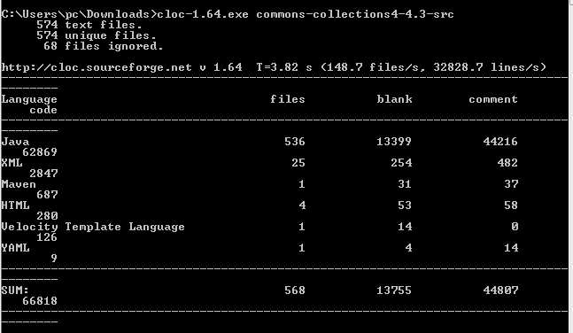
 | SLOC | Bugs | Defect Density |  | SLOC
version4.3 | 125 | 13.00 | 0.104 | 13755 | 44807 | 66818
version2.1.1 | 39 | 1.00 | 0.025641025641 | 5684 | 12813 | 20808
version3.2.2 | 115 | 6.00 | 0.052173913043 | 13583 | 42096 | 59528
version4.1 | 122 | 18.00 | 0.14754098361 | 13444 | 44417 | 64604
version4.2 | 125 | 5.00 | 0.04 | 13714 | 44733 | 66509
Latest | 127 | 5.00 | 0.03937007874 | 13883 | 45698 | 67356

